Bill-of-Materials
Equipo # | 2

Componente | MCU I/O? | Función | Nombre en documentación | MCU Port and Pin | S32K144EVB Header and Pin | Totales MCU I/Os
Push-button SW2 de tarjeta de desarrollo | Digital Input | Window Control | OPEN_BTN | PTC12 | J2-10 | MCU Digital Inputs | 17
Push-button SW3 de tarjeta de desarrollo | Digital Input | Window Control | CLOSE_BTN | PTC13 | J2-12 | MCU Digital Outputs | 12
Push-button externo | Digital Input | Window Control | PASSENGER_OPEN_BTN | PTB14 | J4-08 | MCU Analog Input | 1
Push-button externo | Digital Input | Window Control | PASSENGER _CLOSE_BTN | PTB15 | J4-10
Push-button externo | Digital Input | Window Control | REARLEFT_OPEN_BTN | PTE0 | J3-06
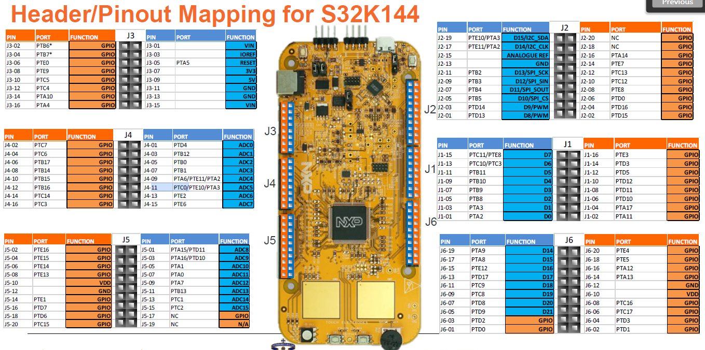
Push-button externo | Digital Input | Window Control | REARLEFT _CLOSE_BTN | PTE9 | J3-08
Push-button externo | Digital Input | Window Control | REARRIGHT_OPEN_BTN | PTC5 | J3-10
Push-button externo | Digital Input | Window Control | REARRIGHT_CLOSE_BTN | PTB16 | J4-04
Dip-switch externo | Digital Input | Window Control | REAR_WINDOW_LOCK_BTN | PTC17 | J6-06
Potenciómetro POT de la tarjeta de desarrollo. | Analog Input | Window Control | ANTIPINCH_SIGNAL | PTC14 | J4-14
LED (barra de LEDs) | Digital output | Window Position | WINDOW_LED1 | PTD4 | J4-01
LED (barra de LEDs) | Digital output | Window Position | WINDOW_LED2 | PTB12 | J4-03
LED (barra de LEDs) | Digital output | Window Position | WINDOW_LED3 | PTB0 | J4-05
LED (barra de LEDs) | Digital output | Window Position | WINDOW_LED4 | PTB1 | J4-07
LED (barra de LEDs) | Digital output | Window Position | WINDOW_LED5 | PTA6 | J4-09
LED (barra de LEDs) | Digital output | Window Position | WINDOW_LED6 | PTC0 | J4-11
LED (barra de LEDs) | Digital output | Window Position | WINDOW_LED7 | PTE2 | J4-13
LED (barra de LEDs) | Digital output | Window Position | WINDOW_LED8 | PTE6 | J4-15
LED (barra de LEDs) | Digital output | Window Position | WINDOW_LED9 | PTA15 | J5-01
LED (barra de LEDs) | Digital output | Window Position | WINDOW_LED10 | PTA16 | J5-03
Entrada puenteada del último LED (LED10) de la barra de LEDs | Digital Input | Window Position | SW_WINDOW_CLOSE | PTD7 | J5-16
Entrada puenteada del primer LED (LED1) de la barra de LEDs | Digital Input | Window Position | SW_WINDOW_OPEN | PTD6 | J5-18
Push-button externo | Digital Input | Door Locking | LOCK_BTN | PTA10 | J3-14
Push-button externo | Digital Input | Door Locking | UNLOCK_BTN | PTB17 | J4-06
Entrada puenteada del LED rojo of the S32k144 EVB | Digital Input | Door Locking Status | SW_DOOR_LOCKED | PTD2 | J6-03
Entrada puenteada del LED verde of the S32k144 EVB | Digital Input | Door Locking Status | SW_DOOR_UNLOCKED | PTD0 | J6-01
LED rojo de la tarjeta de desarrollo | Digital output | Door Locking Status | RGB LED ROJO -> Door Locking Status == DOOR_LOCKED | PTD15 | J2-02
LED verde de la tarjeta de desarrollo | Digital output | Door Locking Status | RGB LED VERDE -> Door Locking Status == DOOR_UNLOCKED | PTD16 | J2-04
Dip-switch externo | Digital Input | SW Variant | Dip-switches para determinar la variante de HW: 00 - Driver Door 01 - Passenger Door 10 - RearLeft Door 11 - RearRight Door | PTD3 | J6-04
Dip-switch externo | Digital Input | SW Variant |  | PTD1 | J6-02
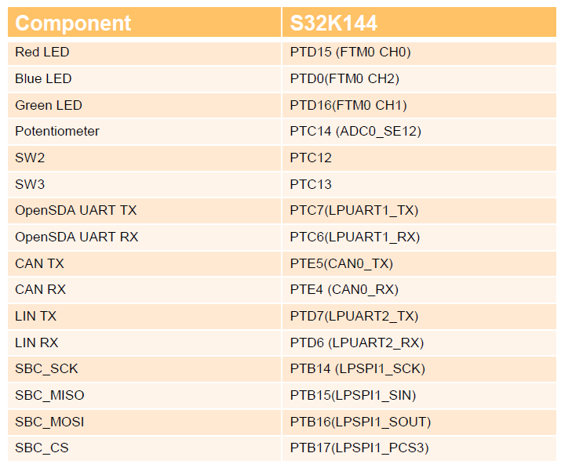

Lista mínima de materiales requeridos
Componente | Cantidad | Comentario
LEDs externos | 10 | Puede ser una barra de LEDs ya integrada.
Resistencias para los LEDs externos, etc. | varios
Dip-Switches externos | 3
Push-Buttons externos | 8
Protoboard(s) | varios
Cables/Alambres | varios
Pinzas, Cutter, etc. | varios
Fuente de alimentación de 12 V compatible con la tarjeta de evaluación. | 1
Connector DB-9 hembra (Opcional) | 1 | Opcional si se quiere elaborar un conector DB-9 desde el módulo Microchip CAN Bus Analyzer a la tarjeta de desarrollo S32K144.
Cautín, soldadura, termofit, "headers" hembra (opcional) | varios | Opcional si se quiere elaborar un conector DB-9 desde el módulo Microchip CAN Bus Analyzer a la tarjeta de desarrollo S32K144.

